Alpine poles
 |  | 2013 / 2014 TEAM SALES |  |  |  |  |  |  |  |  |  |  |  | This Form Expire 4/1/14
 |  | ALPINE POLES, HANDGUARDS BASKETS & POLE PARTS
Name / Phone : |  | Swix Dealer : |  |  |  |  |  |  |  |  | Special instructions/comments :
Team : |  | Account # :
Coach : |  | Contact :

 | ALPINE COMPOSITE RACING PRO |  | PAGE 104 |  |  | 110 | 115 | 120 | 125 | 130 | 135 | 140 | MSRP | Team $ | QTY | EXT.
AC102 DH | DHC CT1 IPM BENT ELLIPTICAL DOWNHILL W/ WRIST BEND |  |  |  |  |  |  |  |  |  |  |  | $200.00 | $150
AC112 SG | SGC CT1 IPM BENT ELLIPTICAL SUPER G W/PISTOL GRIP |  |  |  |  |  |  |  |  |  |  |  | $200.00 | $150
AC122 SL | MACH CT1 DUAL TAPERED AIRFOIL W/DD4 & ADD TAB |  |  |  |  |  |  |  |  |  |  |  | $200.00 | $150
 | ALPINE ALUMINUM RACING PRO |  | PAGE 105 |  |  | 110 | 115 | 120 | 125 | 130 | 135 |  | MSRP | Team $ | QTY | EXT.
FA102 SL | WORLD CUP PRO SLALOM 7075 ALUMINUM. |  |  |  |  |  |  |  |  |  |  |  | $100.00 | $75
FA122 SG | WORLD CUP PRO DOWNHILL 7075 ALUMINUM. RACING PISTOL GRIP |  |  |  |  |  |  |  |  |  |  |  | $100.00 | $75
FA112 DH | WORLD CUP PRO SUPER G/GS 7075 ALUMINUM. RACING PISTOL GRIP |  |  |  |  |  |  |  |  |  |  |  | $100.00 | $75
 | ALPINE JUNIOR RACING | PAGE 112 | 95 | 100 | 105 | 110 | 115 |  |  |  |  |  | MSRP | Team $ | QTY | EXT.
JA102 SL | JUNIOR SLALOM 7075 ALUMINUM DD5 HANDLE/ ADD TAB |  |  |  |  |  |  |  |  |  |  |  | $65.00 | $49
JA112 SG | JUNIOR GS/ SUPER G 7075 ALUMINUM. DD5 GRIP |  |  |  |  |  |  |  |  |  |  |  | $65.00 | $49

 | PROTECTION - ALPINE HAND GUARDS PAGE 114 |  |  |  | MSRP |  | Team $ | QTY | EXT
RDHG15F | NEW FULL FACE HAND GUARD. FOR DD4 HANDLE. NEW |  |  |  | $52.50 |  | $39
RDHG15Fj | NEW JUNIOR FULL FACE HAND GUARD. FOR DD4 HANDLE. NEW |  |  |  | $52.50 |  | $39
RDSP11 | SHAFT PROTECTOR FOR COMPOSITE POLES |  |  |  | $24.00 |  | $18
 | PROTECTION - SHIN GUARDS NOT IN CATALOG |  |  |  | MSRP |  | Team $ | QTY | EXT |  |  |  | SHIPPING
SHG-1 | SHIN GUARDS |  |  |  | $105.00 |  | $79 |  |  |  |  |  | TOTAL THIS PAGE :

teamform

Alpine gloves
2013/2014 SWIX Alpine Glove - WORLD CUP RACE

Racer Name: |  | Phone: |  |  |  |  |  |  | form expires April 1 2014
Shop Name:
Style Number | WORLD CUP GLOVES | Color |  | S | M | L | XL | QTY | MSRP | RACE
H1271 Mens | Davos Glove | Black |  |  |  |  |  |  | $175 | $119
H1611 Mens | Davos Mitt | Black |  |  |  |  |  |  | $175 | $119
H1611 Mens | Davos Mitt | Blk/Green |  |  |  |  |  |  | $175 | $119
H1311 Mens | Cortina Glove | Wh/Navy |  |  |  |  |  |  | $175 | $119
H1336 Ladies | Cortina Glove - Ladies | Wh/Navy |  |  |  |  |  |  | $175 | $119
LIMITED | AKSEL SVINDAL SIGNATURE |  |  | AVAILABLE ONLY AT SELECT SWIX SHOPS
AVAILABILITY | 2014/2015 MODELS | Color | XS | S | M | L | XL | QTY | MSRP | RACE
H1401-00105 | Svindal Signature Pro Downhill - Unisex | WH/BLK |  |  |  |  |  |  | $240 | $175
H1411-10000 | Svindal Signature Pro Giant Slalom - Unisex | Black |  |  |  |  |  |  | $250 | $185
H1152-00105 | Svindal Signature Pro Downhill - Junior | WH/BLK |  |  |  |  |  |  | $150 | $110
H1142-10000 | Svindal Signature Pro Giant Slalom - Junior | Black |  |  |  |  |  |  | $160 | $115
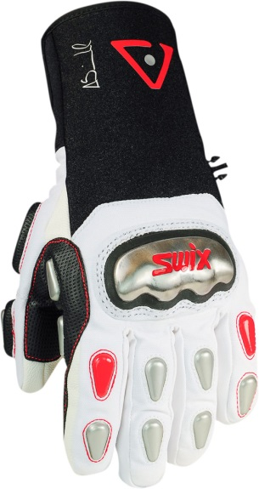
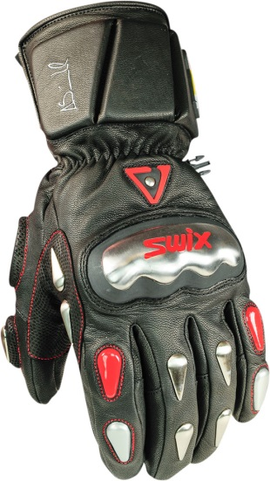
 |  |  |  |  |  |  |  | Total:
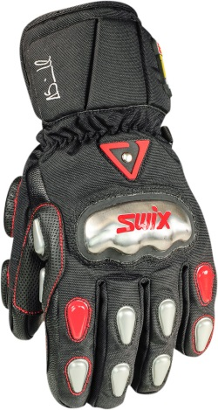
 |  |  |  |  |  |  |  | Shipping:
 |  |  |  |  |  |  |  | Tax:
 |  |  |  |  |  |  |  | GRAND TOTAL:

teamform

TILTED KILT BAGS
2013/2014 SWIX SWIX TILTED KILT BAGS
 |  |  | TEAM FORM
ATHLETE NAME: |  |  |  | PHONE:
SWIX DEALER:
SWIX TILTED KILT COLLECTION |  |  | PAGE 127 | MSRP | Team $ | QTY | EXT
G1201 | Tri pack Tartan |  |  | $100.00 | $65
G1202 | Tri pack Checkers |  |  | $100.00 | $65
G1204 | Piper tri pack |  |  | $100.00 | $65
G1205 | Dublin tri pack |  |  | $100.00 | $65
G1206 | Finnigan tri pack |  |  | $100.00 | $65
LP150 | Low Pro tri pack Piper |  |  | $95.00 | $60
LP151 | Low Pro tri pack Dublin |  |  | $95.00 | $60
RT210 | Finnigan double ski | 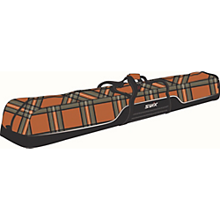 |  | $120.00 | $75
RT211 | Piper double ski | 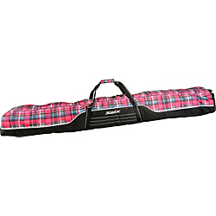 |  | $120.00 | $75
RT112 | Dublin sgl ski | 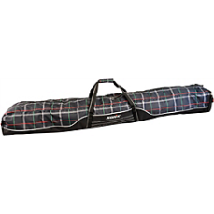 |  | $110.00 | $65
RT113 | Piper sgl ski |  |  | $110.00 | $65
RT114 | Checker sgl ski |  |  | $110.00 | $65
RT115 | Finnigan sgl ski |  |  | $110.00 | $65
RT116 | Tarten sgl ski |  |  | $110.00 | $65
RT117 | Solid sgl ski |  |  | $110.00 | $65
 |  |  |  |  | Total:
 |  |  |  |  | Shipping:
 |  |  |  |  | Tax:
 |  |  |  |  | GRAND TOTAL:

